Hoja1
Estudiante: Fernando Guiraud NIP: 8-945-692
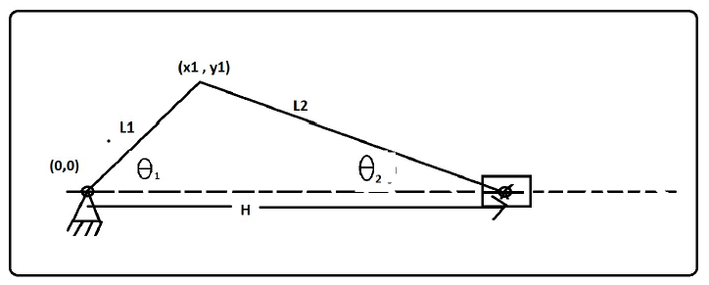

L1= | 5 | L2= | 20 | n= | 4
x1 vs y1
H vs ϴ1
ϴ1(deg) | ϴ1(radianes) | ϴ2(radianes) | x1(mm) | y1(mm) | x2(mm) | H(mm)
0 | 0.0000 | 0.0000 | 5.000 | 0.000 | 20.000 | 25.000
30 | 0.5236 | 0.1253 | 4.330 | 2.500 | 19.843 | 24.173
60 | 1.0472 | 0.2182 | 2.500 | 4.330 | 19.526 | 22.026
90 | 1.5708 | 0.2527 | 0.000 | 5.000 | 19.365 | 19.365
120 | 2.0944 | 0.2182 | -2.500 | 4.330 | 19.526 | 17.026
150 | 2.6180 | 0.1253 | -4.330 | 2.500 | 19.843 | 15.513
180 | 3.1416 | 0.0000 | -5.000 | 0.000 | 20.000 | 15.000
210 | 3.6652 | -0.1253 | -4.330 | -2.500 | 19.843 | 15.513
240 | 4.1888 | -0.2182 | -2.500 | -4.330 | 19.526 | 17.026
270 | 4.7124 | -0.2527 | 0.000 | -5.000 | 19.365 | 19.365
300 | 5.2360 | -0.2182 | 2.500 | -4.330 | 19.526 | 22.026
330 | 5.7596 | -0.1253 | 4.330 | -2.500 | 19.843 | 24.173
360 | 6.2832 | 0.0000 | 5.000 | 0.000 | 20.000 | 25.000

L1= | 5 | L2= | 15 | n= | 3
x1 vs y1
H vs ϴ1
ϴ1(deg) | ϴ1(radianes) | ϴ2(radianes) | x1(mm) | y1(mm) | x2(mm) | H(mm)
0 | 0.0000 | 0.0000 | 5.000 | 0.000 | 15.000 | 20.000
30 | 0.5236 | 0.1674 | 4.330 | 2.500 | 14.790 | 19.120
60 | 1.0472 | 0.2928 | 2.500 | 4.330 | 14.361 | 16.861
90 | 1.5708 | 0.3398 | 0.000 | 5.000 | 14.142 | 14.142
120 | 2.0944 | 0.2928 | -2.500 | 4.330 | 14.361 | 11.861
150 | 2.6180 | 0.1674 | -4.330 | 2.500 | 14.790 | 10.460
180 | 3.1416 | 0.0000 | -5.000 | 0.000 | 15.000 | 10.000
210 | 3.6652 | -0.1674 | -4.330 | -2.500 | 14.790 | 10.460
240 | 4.1888 | -0.2928 | -2.500 | -4.330 | 14.361 | 11.861
270 | 4.7124 | -0.3398 | 0.000 | -5.000 | 14.142 | 14.142
300 | 5.2360 | -0.2928 | 2.500 | -4.330 | 14.361 | 16.861
330 | 5.7596 | -0.1674 | 4.330 | -2.500 | 14.790 | 19.120
360 | 6.2832 | 0.0000 | 5.000 | 0.000 | 15.000 | 20.000

L1= | 5 | L2= | 10 | n= | 2
x1 vs y1
H vs ϴ1
ϴ1(deg) | ϴ1(radianes) | ϴ2(radianes) | x1(mm) | y1(mm) | x2(mm) | H(mm)
0 | 0.0000 | 0.0000 | 5.000 | 0.000 | 10.000 | 15.000
30 | 0.5236 | 0.2527 | 4.330 | 2.500 | 9.682 | 14.013
60 | 1.0472 | 0.4478 | 2.500 | 4.330 | 9.014 | 11.514
90 | 1.5708 | 0.5236 | 0.000 | 5.000 | 8.660 | 8.660
120 | 2.0944 | 0.4478 | -2.500 | 4.330 | 9.014 | 6.514
150 | 2.6180 | 0.2527 | -4.330 | 2.500 | 9.682 | 5.352
180 | 3.1416 | 0.0000 | -5.000 | 0.000 | 10.000 | 5.000
210 | 3.6652 | -0.2527 | -4.330 | -2.500 | 9.682 | 5.352
240 | 4.1888 | -0.4478 | -2.500 | -4.330 | 9.014 | 6.514
270 | 4.7124 | -0.5236 | 0.000 | -5.000 | 8.660 | 8.660
300 | 5.2360 | -0.4478 | 2.500 | -4.330 | 9.014 | 11.514
330 | 5.7596 | -0.2527 | 4.330 | -2.500 | 9.682 | 14.013
360 | 6.2832 | 0.0000 | 5.000 | 0.000 | 10.000 | 15.000

